Table 1
IDTA 02017-1-0 Asset Interfaces Description January 2024
S P E C I F I C A T I O N
Submodel Template of the Asset Administration Shell

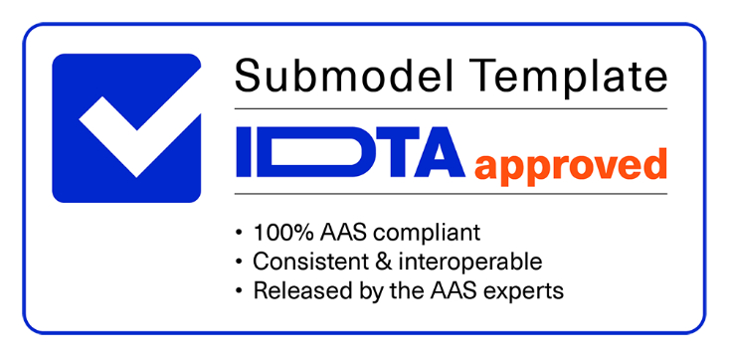

Imprint
Publisher Industrial Digital Twin Association Lyoner Str. 18 60528 Frankfurt am Main Germany https://www.industrialdigitaltwin.org/
Version history
Date | Version | Comment
2024-01-19 | 1.0 | Release of the official Submodel template published by IDTA.
Contents
1 General 7 1.1 About this Document 7 1.2 Scope of the Submodel 7 1.3 Not in Scope of the Submodel 9 1.4 Relevant Standards for the Submodel Template 9 1.5 Use Cases, Requirements and Design Decisions 9 1.5.1 Use Cases 9 1.5.2 Requirements 10 1.5.3 Design Decisions 11 2 Submodel Asset Interfaces Description 12 2.1 Approach 12 2.2 Overview of the AID Core Structure 13 2.3 Elements of the SM “AssetInterfacesDescription” 13 2.4 Elements of the SMC “Interface” 14 2.5 Elements of SMC “EndpointMetadata“

1. base 40 2. href 40 Annex C. AID in AASX Package Explorer 42 Annex D. AID to WoT TD Mapping and Vice Versa 43 Bibliography 47
Figures
Figure 1 Principle AID submodel usage and possible data mapping process e.g. by Asset Interfaces Mapping Configuration (AIMC) 8 Figure 2 AID core structure 12 Figure 3: Overall security definitions with schemes 32 Figure 4: Example description of a device Modbus interface with its served datapoints 42
Tables
Table 1: AID Use Cases 9 Table 2: Attributes of AssetInterfacesDescription submodel 13 Table 3: Elements of SMC Interface 14 Table 4: Elements of SMC EndpointMetadata 16 Table 5: Elements of SMC InteractionMetadata 18 Table 6: Elements of SMC ExternalDescriptor 19 Table 7: Element of SMC properties 19 Table 8: Elements of SMC {property_name} 20 Table 9: Element of Nested SMC properties 22 Table 10: Elements of Nested SMC {property_name} 23 Table 11: Elements of SMC forms 25 Table 12: Elements of HTTP specific terms in SMC forms 27 Table 13: Element of SML htv_headers 27 Table 14: Elements of SMC <no_idShort> from SML htv_headers

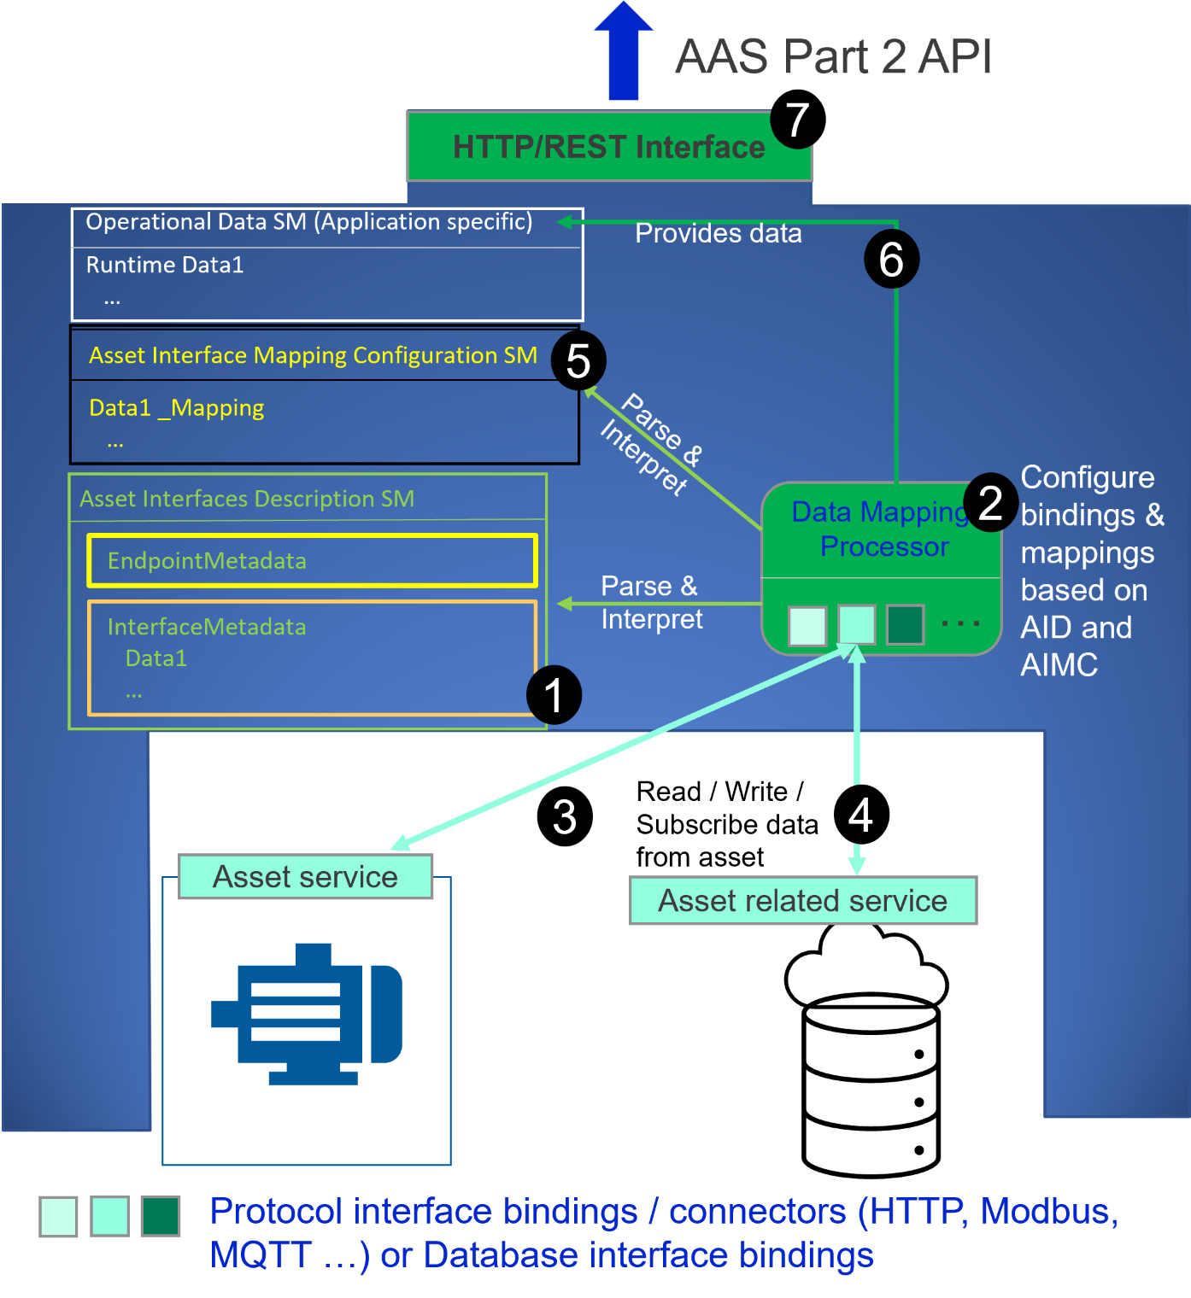
1 General
1.1 About this Document
This document is a part of a specification series. Each part specifies the contents of a Submodel template for the Asset Administration Shell (AAS). The AAS is described in [1], [2], [3] and [6]. First exemplary Submodel contents were described in [4], while the actual format of this document was derived by the "Administration Shell in Practice" [5]. The format aims to be very concise, giving only minimal necessary information for applying a Submodel template, while leaving deeper descriptions and specification of concepts, structures and mapping to the respective documents [1] to [6]. The target group of the specification are developers and editors of technical documentation and manufacturer information, which are describing assets in smart manufacturing by means of the Asset Administration Shell (AAS) and therefore need to create a Submodel instance with a hierarchy of SubmodelElements. This document especially details on the question, which SubmodelElements with which semantic identification shall be used for this purpose.
1.2 Scope of the Submodel
This Submodel specifies an information model and a common representation for describing the interface(s) of an asset service or asset related service. Based on this information, it is possible to initiate a connection to such kind of service and start to request or subscribe to served datapoints, and/or perform operations. Such datapoints of a system service can be, for example, various sensor and/or status values, and an operation can trigger an actuator, such as switching a motor “on” or “off”. The Asset Interfaces Description (AID) in version 1.0 supports the description of interfaces based on three specific protocols: Modbus, HTTP and MQTT. Any other protocols and interfaces will be addressed in upcoming versions of the AID. As a forward-looking note, the AID working group at IDTA has outlined plans for the AID 1.1 version to incorporate support for both OPC UA (joint activity with the OPC Foundation) and BACnet. The W3C Web of Things Thing Description (WoT TD) as an open, royalty-free standard is considered as a baseline for the content and structure of the definition of this Submodel template. In addition to the protocol specific information provided by the AID, it also provides the ability to reference external descriptors such as GSD, GSDML, IO Device Description, WoT TD (as a supplement) etc. These external descriptor is not restricted to the protocols currently defined in the AID. As a complement to the AID, an Asset Interfaces Mapping Configuration (AIMC) Submodel can be used to map the received data from the asset services to a specific place within an AAS (e.g. an application specific Submodel to monitor data). The principle scope and use of the AID Submodel in combination with an AIMC is explained in the following figure:
Figure 1 Principle AID submodel usage and possible data mapping process e.g. by Asset Interfaces Mapping Configuration (AIMC).
The number legends in Figure 1 are described as follows:
(1) Asset Interfaces Description Submodel: it holds the description model of the asset service (or asset related service) interfaces and its datapoint.
(2) Data Mapping Processor (DMP): This is a software component that provides connection (e.g., via Modbus) to the asset service and/or asset related service and exchanges data as defined within the AID Submodel. It also manages the mapping of retrieved data to a desired SM according to AIMC SM definition.
(3) Data transmission channel between Data Mapping Processor and asset service. Depending on the underlying protocol (e.g. Modbus, MQTT) used by the asset service (and as described by the AID), the specific datapoint can be requested/subscribed.
(4) Data transmission channel between Data Mapping Processor and asset related service. Depending on the underlying protocol (e.g. HTTP) used by the asset related service (and as described by the AID), the specific datapoint can be requested/subscribed.

Table 2
(5) AIMC Submodel: it provides the necessary information about the mapping of the datapoints described by the AID to elements in a desired (application-specific) operation data Submodel.
(6) Operational Data Submodel: it is a Submodel where the (runtime) data is being stored. The details about this location are in the AIMC. With AIMC's information, the Data Mapping Processor can correctly map the asset's data to the right parts of the Submodel.
(7) HTTP/REST Interface: This is an AAS Interface defined in details of AAS Part 2 as a standardized API [11]. It is used to enable communication between AASX server and external applications.
1.3 Not in Scope of the Submodel
The asset services or asset related services described in AID are parsed and interpreted by an application (e.g. Data Mapping Processor). This application is beyond the scope of this document, but its main functionality is to handle data transmission between an AAS and its asset service or asset related service. It can be packaged with several communication protocol adapters and database integration drivers. Out of the scope of the AID 1.0 is the detailed definition of actions and events of asset interfaces. The AID 1.0 focuses on monitoring purposes and thus concentrates on properties definitions. The actions and events paradigm will be introduced in one of the forthcoming AID versions.
1.4 Relevant Standards for the Submodel Template
• W3C Web of Things Thing Description (WoT TD) [7] • Modbus [8] • MQTT [9] • HTTP [10] • IDTA Asset Interfaces Mapping Configuration (AIMC) Submodel
1.5 Use Cases, Requirements and Design Decisions
1.5.1 Use Cases
Table 1: AID Use Cases
Use Case | Explanation
Device & datapoint onboarding | 1. The engineer wants to import for example different sensor measurements from energy meters of different vendors into a backend system to monitor energy data of a plant system 2. Each energy meter may support different protocols (e.g., Modbus, Profibus, HTTP) and data model representation 3. Depending on the industry sector and supported protocol energy meters may have an interface description existing such as EDDL that can be used for onboarding purposes 4. However, if such electronic description doesn’t exists, typically the communication & datapoint metadata is retrieved from manuals (PDF, webpages, ...) or tables (CVS, Excel,...) 5. Taking over such information in application or engineering development is an expensive process (e.g., c&p over 80 datapoints of a single device) and causes risk
 | of error proneness (e.g., wrong calculation or interpretation of communication metadata)
Asset Data Manipulation | 1. The Target User connects to the AAS of the Asset of interest 2. The Target User reads the Asset Interfaces Description Submodel describing which interface of the Asset can be selected (e.g., a Modbus-based or MQTT-based interface) with which security requirements 3. The Target User selects an interface of the Asset (e.g., Modbus-based interface) 4. The Target User configures a client for the relevant Asset interface fulfilling the security requirements 5. The Target User deploys the configured client that connects to the Asset interface and initiate a specific action of the asset (e.g., change a state)
Asset Data Integration | 1. The Target User connects to the AAS of the Asset of interest 2. The Target User connects to the Asset Interfaces Description Submodel describing which datapoints the Asset provides through which interfaces with which security requirements 3. The Target User selects relevant datapoints from the relevant Asset interfaces 4. The Target User configures one client per relevant Asset interface fulfilling the security requirements and configuring a mapping (via an Asset Interface Mapping Configuration Submodel) of the selected Asset’s data into a data sink such as in a separate Submodel 5. The Target User deploys the configured clients that connect to the Asset interfaces and integrates data into the specified data sinks Example: • An application-specific OperationData Submodel is intended to provide measurement data of a Sensor-Asset • The AID Submodel specify Sensor-Asset’s interface (it describes which measurement datapoints can be read/subscribed, which protocol is used and which security requirements must be met) • An Asset Interface Mapping Configuration (AIMC) defines the mapping where the read runtime measurement datapoints of the Sensor-Asset should be represented/mapped within the application-specific OperationData Submodel (e.g., to a SME Property element)
1.5.2 Requirements
• Provide the client an understanding what can be expected from an Asset regarding its interface and/or related interface such as which data and functions are served. • Provide the semantic knowledge and context of such data and functions. • Provide the client information that is required to retrieve specific data or to use specific functions in terms of protocol settings and security requirements. • Provide required information that runtime data can be mapped to a specific place (e.g., to an AAS SME Property) within a SM. • To reuse existing concepts and standards the AID shall be derived from WoT Thing Description (WoT TD) specification as a common protocol-agnostic approach. • Different industry domains use different established device descriptors (e.g., GSD, GSDML, EDD, FDI Packages, Instanced OPC UA Companion Specifications, etc.). AID shall provide the opportunity to refer to such existing device descriptors. • In the case a WoT TD already exists, it is recommended that an AID instance provides a reference to the WoT TD. A WoT TD can be used to enable more knowledge about the interface that is possible by the WoT TD specification (e.g., the Web Linking concepts or read-all-properties feature).
1.5.3 Design Decisions
• Define a common representation of the asset’s (related) interfaces as a SM. • Follow WoT TD with its model structure as an open standard with its parameter terms to describe the endpoint details and interface metadata of an asset. It is recommended that the WoT TD specification be used as supplemental literature (also see [7]) to the AID specification for additional background information and examples. • Each specified term in W3C WoT TD has a namespace definition. To avoid misinterpretation and duplicate semantic definitions, the most assigned semanticId in the AID is based on the namespace term definition of WoT TD. • Provide a specific place to enable the inclusion of existing device or interface descriptors. • If a description file (WoT TD, GSDML, MTP etc.) of an asset interface exist in the Submodel ExternalDescriptor, the specified mandatory clause for EndpointMetadata SMC and InteractionMetadata SMC should be seen as optional.
2 Submodel Asset Interfaces Description
2.1 Approach
The Submodel consists of an AID core part that specifies the basic structure of the AID Submodel, which is identical regardless of the type of protocol interface (e.g., Modbus, HTTP). There will be also a common set of properties and collections definitions.
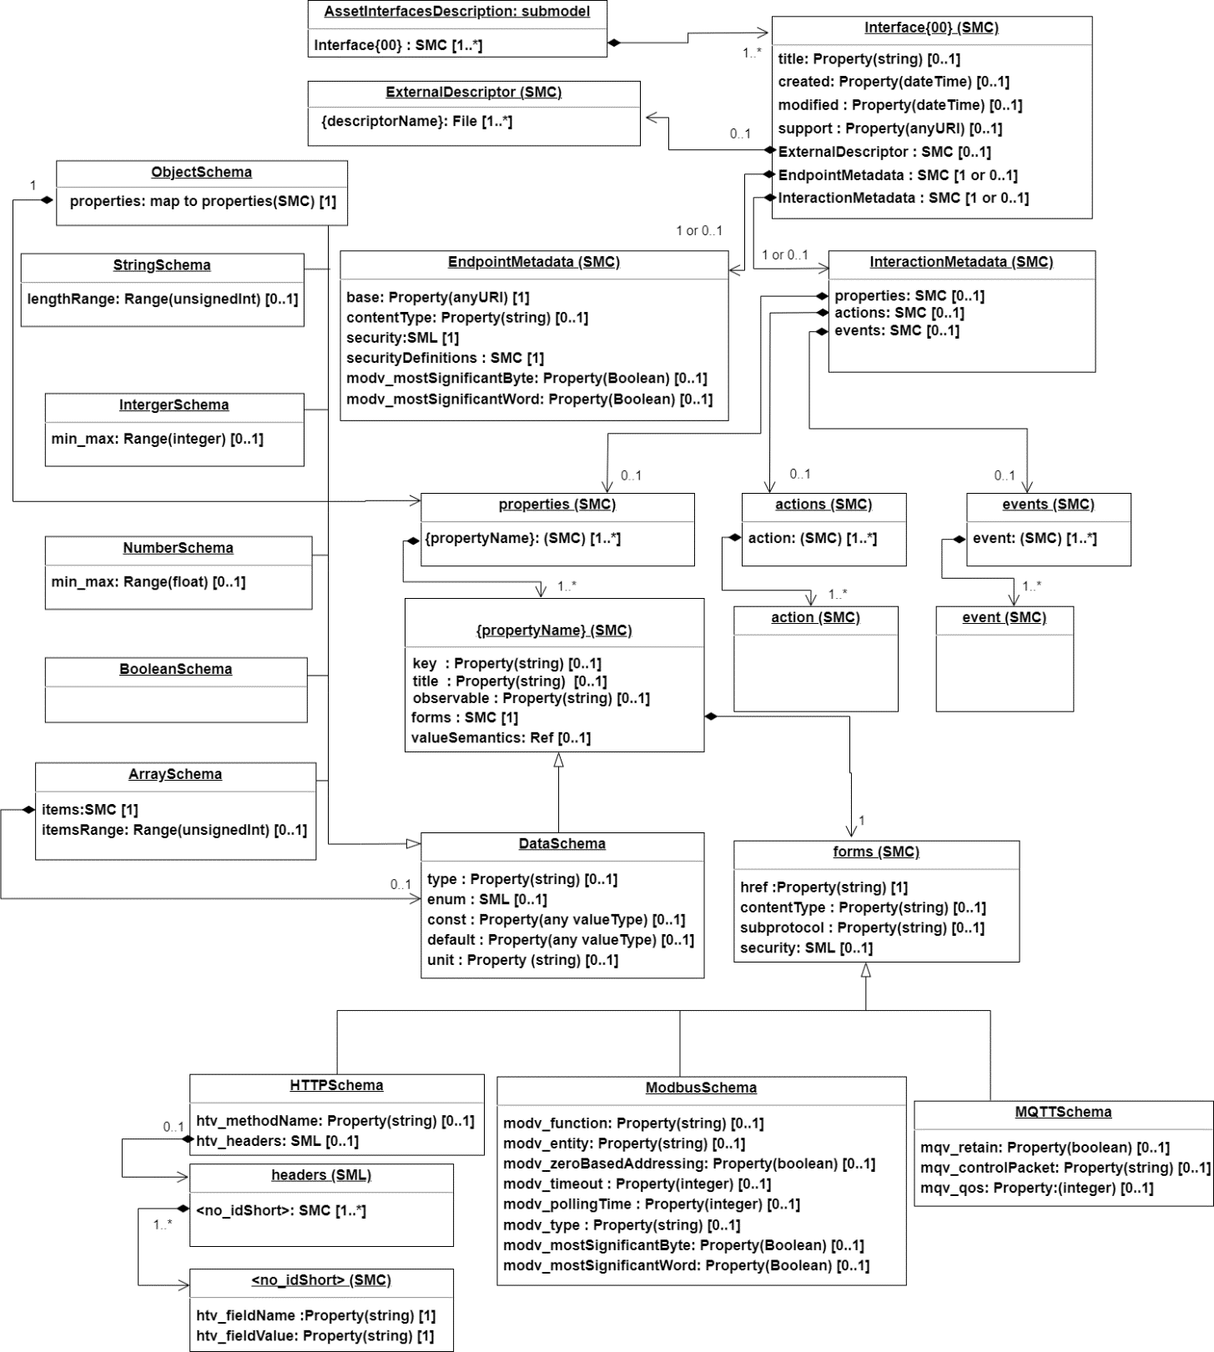
Figure 2 AID core structure

Various properties and collections are specified, depending on the protocol used that underlies an interface. For example, Modbus will specify all information to address, e.g., register information and byte length. HTTP provides the HTTP methods such as GET, POST and additional HTTP header information. As seen from the AID core structure, the W3C Web of Things Thing Description (TD) structure and protocol bindings vocabularies are strongly adopted throughout this document for protocol dependent properties.

Table 17
2.15 Elements of the SMC securityDefinitions
This section defines some well-established security mechanisms that are widely supported by protocols considered in Subsection 2.13. The securityDefinitions element contains information that could allow an asset provide access to an AAS’ connection request. This access focus on the connection between asset and AAS and it is different from the AAS security itself.
For this version of AID, security definitions that are specific to HTTP and MQTT are discussed. The definitions are already available in WoT TD specification. Subsequent version of AID with additional protocols might lead to extension of the schemes that would be discussed.
Table 18: Element of SMC securityDefinitions
idShort: | securityDefinitions
Class: | SubmodelElementCollection (SMC)
semanticId: | [IRI] https://www.w3.org/2019/wot/td#definesSecurityScheme
Parent: | endpointMetadata
Explanation: | This SubmodelElementCollection holds the information about security mechanism used to access the asset.
[SME type] | semanticId = [idType]value | [valueType] | card.
idShort | Description@en | example
[SMC] {SecurityScheme} | [IRI] A collection that holds the definition of one or more security mechanisms supported by AID. | See Section 2.16 | 1..*
The name provided as the SecurityScheme can be arbitrary since the “scheme” element in Section 2.16 will define what kind of scheme it is. But as a good practice, it is encouraged to use the same name of the scheme as the value of the SecurityScheme SMC. Figure 3 shows the overall structure of the AID security scheme.
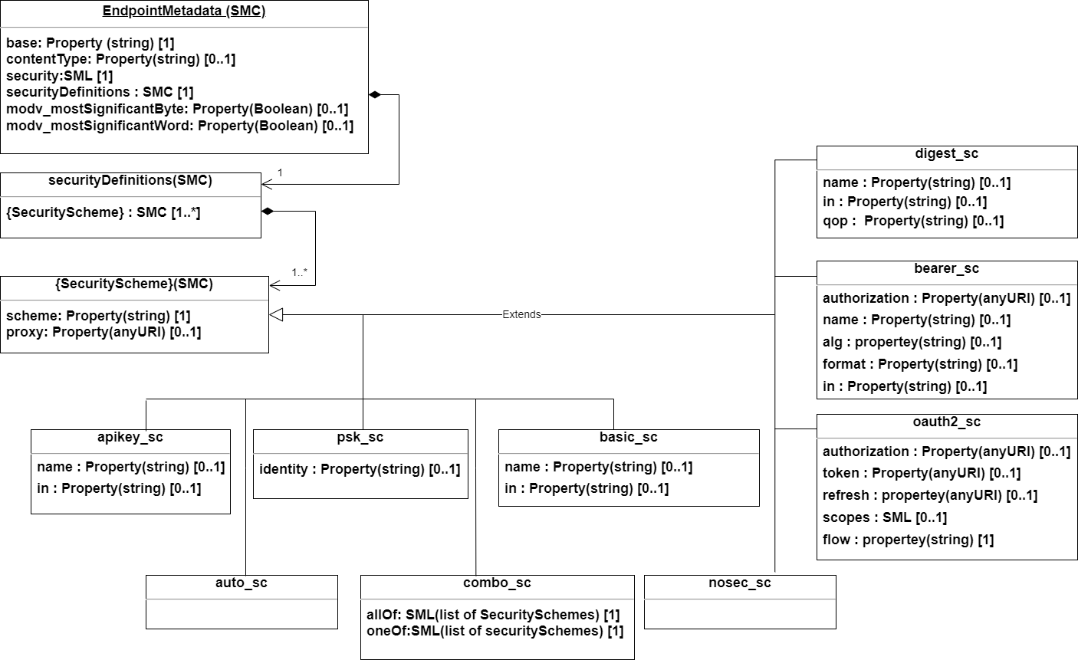
Figure 3: Overall security definitions with schemes.

2.16 Elements of the SMC {SecurityScheme}

Table 26
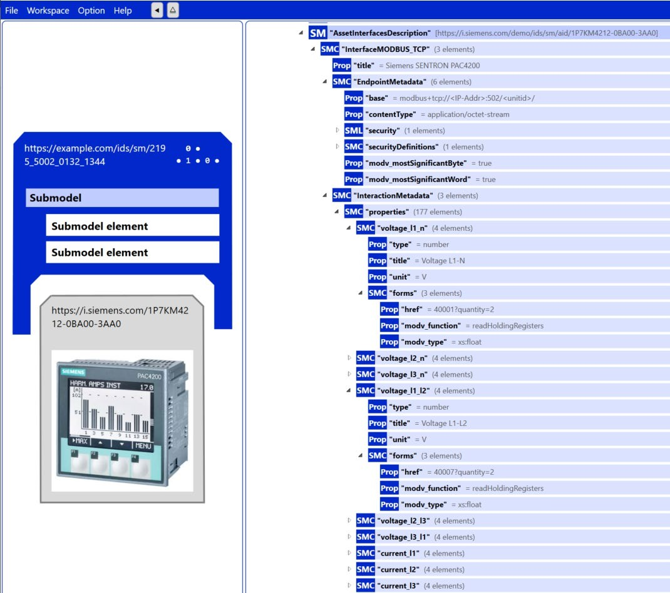
MQTT | {topic} {topic} MQTT topic with the following expectations: 1) There is no topic level name '.' or '..' 2) A multi-level wildcard character (#) must be URL encoded (%23) when used 3) If the topic is used as URI reference only, a starting '/' character before the first topic level name has to be replaced by the characters './/' Some basic examples are as follows: - "mqtt://mybroker:1883/my/example/topic" → MQTT topic: "my/example/topic" - "mqtt://mybroker:1883//my/example/topic" → MQTT topic: "/my/example/topic" - "my/example/topic" → MQTT topic: "my/example/topic" - ".//my/example/topic" → MQTT topic: "/my/example/topic" - "my/example/topic/%23" → MQTT topic: "my/example/topic/#" The last example applies the URL endcoding to the “#” character.
Annex C. AID in AASX Package Explorer
Figure 4: Example description of a device Modbus interface with its served datapoints.

